sheet
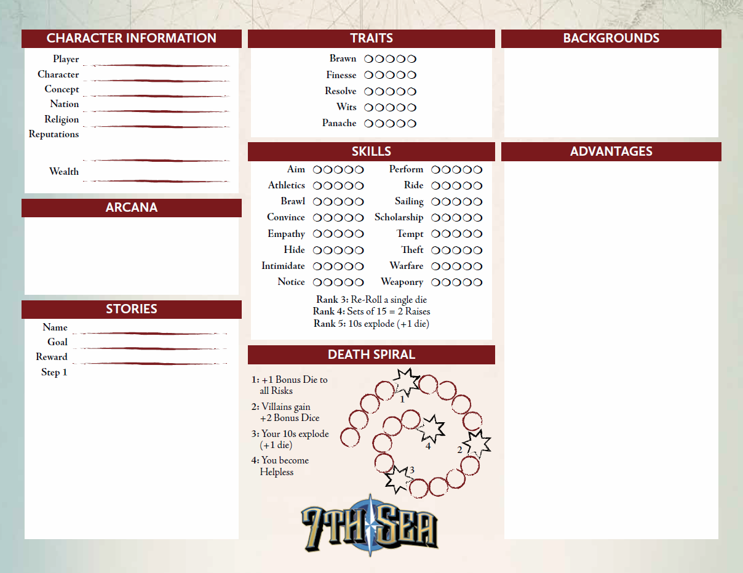
 | 0 |  |  |  |  |  |  |  |  |  |  |  |  |  | 0
 |  |  |  |  |  |  | 0 | 0 | 0

 | 0 |  |  |  |  |  |  |  |  |  |  |  |  |  | #N/A
 |  |  |  |  |  |  | 0 | 0 | 0

 | 0
 |  |  |  |  |  |  | 0 | 0 | 0 |  |  |  |  |  | 0

 | 0
 |  |  |  |  |  |  | 0 | 0 | 0
 | 0 |  |  |  |  |  |  |  |  |  |  |  |  |  | #N/A
 |  |  |  |  |  |  | 0 | 0 | 0
 | 0

 | 0
 |  | 0 | 0 | 0 | 0 | 0 |  |  |  | 0 | 0 | 0 | 0 | 0

 |  | 0 | 0 | 0 | 0 | 0 |  |  |  | 0 | 0 | 0 | 0 | 0

 |  | 0 | 0 | 0 | 0 | 0 |  |  |  | 0 | 0 | 0 | 0 | 0

 |  | 0 | 0 | 0 | 0 | 0 |  |  |  | 0 | 0 | 0 | 0 | 0
Virtue | 0
 |  | 0 | 0 | 0 | 0 | 0 |  |  |  | 0 | 0 | 0 | 0 | 0

 |  | 0 | 0 | 0 | 0 | 0 |  |  |  | 0 | 0 | 0 | 0 | 0

Hubris | 0 | 0 | 0 | 0 | 0 | 0 |  |  |  | 0 | 0 | 0 | 0 | 0

 |  | 0 | 0 | 0 | 0 | 0 |  |  |  | 0 | 0 | 0 | 0 | 0

 | 0

 |  |  |  |  |  |  |  |  |  |  |  |  |  |  | Secret Society:
 |  |  |  |  |  |  |  |  |  |  |  |  |  |  | None

